plot
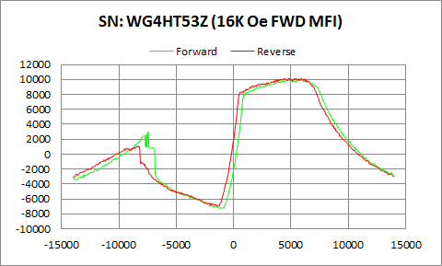

WG4HT53Z | Forward |  | Reverse
 | Ampl | Field | Ampl | Field
50% Roll-off Field | 1389.7015 | 10214.596441 | 1606.991 | 9843.4965247
P1 Switching Field | 2999.548 | -7450.127 | 1097.082 | -8350.334

Others | 0.46521813964 | 0.59935126654

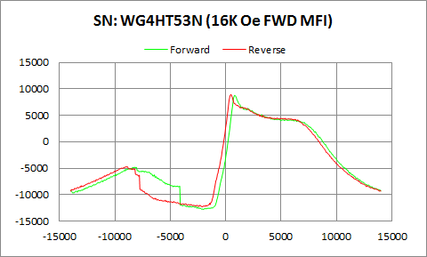

WG4HT53N | Forward |  | Reverse
 | Ampl | Field | Ampl | Field
50% Roll-off Field | -2018.0365 | 9488.8294893 | -1685.968 | 9008.406895
P1 Switching Field | -4797.712 | -8200.737 | -4713.184 | -8898.857

Others | 0.35124467077 | 0.37739377112

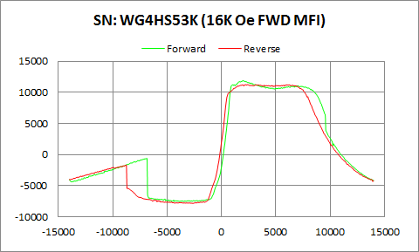

WG4HS53K | Forward |  | Reverse
 | Ampl | Field | Ampl | Field
50% Roll-off Field | 2183.353 | 10154.763954 | 1706.8465 | 10005.925743
P1 Switching Field | -610.7035 | -6849.114 | -1689.606 | -8749.26

Others | 0.31654807086 | 0.36244175621

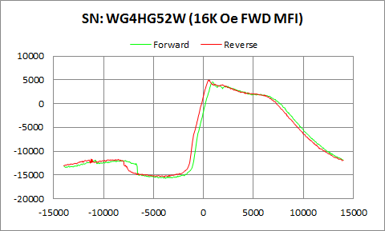

WG4HG52W | Forward |  | Reverse
 | Ampl | Field | Ampl | Field
50% Roll-off Field | -5587.4595 | 10023.18155 | -5244.2195 | 9556.7361339
P1 Switching Field | -11879.68 | -10848.87 | -11639.19 | -11250.42

Others | 0.18754784831 | 0.18840301618

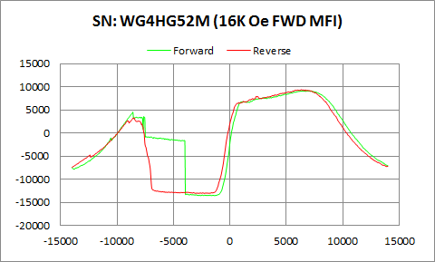

WG4HG52M | Forward |  | Reverse
 | Ampl | Field | Ampl | Field
50% Roll-off Field | -2219.1555 | 11497.915268 | -1848.135 | 10920.172137
P1 Switching Field | 4494.638 | -8599.663 | 3306.837 | -8499.932

Others | 0.71969791859 | 0.80635249273

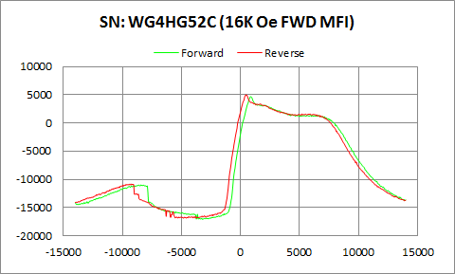

WG4HG52C | Forward |  | Reverse
 | Ampl | Field | Ampl | Field
50% Roll-off Field | -6206.08 | 9832.7245056 | -5933.2395 | 9407.6027353
P1 Switching Field | -10983.28 | -8450.066 | -10844.72 | -9250.542

Others | 0.27696092391 | 0.27915611295

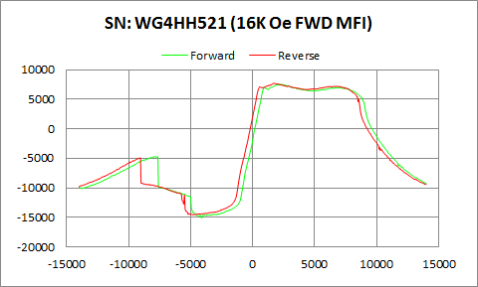

WG4HH521 | Forward |  | Reverse
 | Ampl | Field | Ampl | Field
50% Roll-off Field | -3760.91 | 10834.123505 | -3434.899 | 10350.070581
P1 Switching Field | -4715.965 | -7799.187 | -4913.124 | -9051.079

Others | 0.42620791651 | 0.46578528086

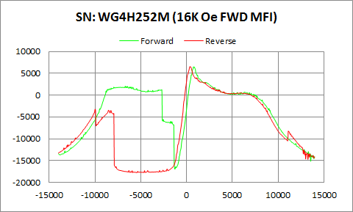

WG4H252M | Forward |  | Reverse
 | Ampl | Field | Ampl | Field
50% Roll-off Field | -5223.5725 | 9511.6238804 | -5593.625 | 9247.5951575
P1 Switching Field | 2067.251 | -6699.517 | -3202.337 | -10001.15

Others | 0.62067690032 | 0.78224262437

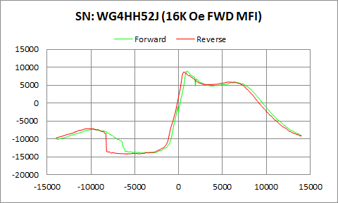

WG4HH52J | Forward |  | Reverse
 | Ampl | Field | Ampl | Field
50% Roll-off Field | -2587.8665 | 10470.829073 | -2818.602 | 10218.332723
P1 Switching Field | -7288.165 | -9799.064 | -7090.985 | -10200.62

Others | 0.31269585909 | 0.29747015035

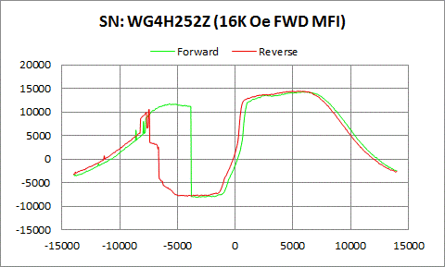

WG4H252Z | Forward |  | Reverse
 | Ampl | Field | Ampl | Field
50% Roll-off Field | 3073.896 | 11050.104235 | 3258.2395 | 10585.521226
P1 Switching Field | 11710.42 | -5699.578 | 10527.23 | -7450.127

Others | 0.8225732405 | 0.88877457166

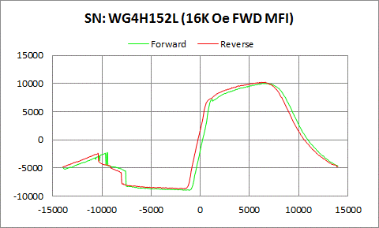

WG4H152L | Forward |  | Reverse
 | Ampl | Field | Ampl | Field
50% Roll-off Field | 531.597 | 10715.655825 | 756.6035 | 10261.61528
P1 Switching Field | -2249.041 | -9450.005 | -2367.219 | -10400.08

Others | 0.33371877158 | 0.35505024632

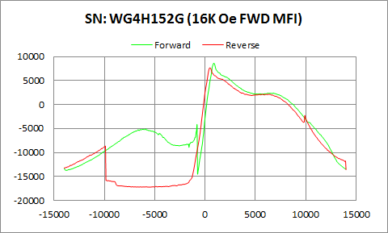

WG4H152G | Forward |  | Reverse
 | Ampl | Field | Ampl | Field
50% Roll-off Field | -2920.816 | 9922.8963898 | -4802.9975 | 10431.493938
P1 Switching Field | -5044.92 | -5899.041 | -8648.874 | -9898.797

Others | 0.37244575656 | 0.37850558051

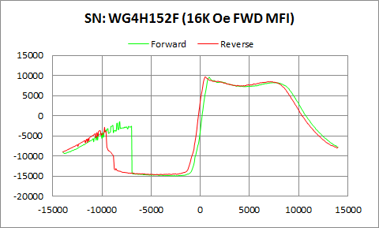

WG4H152F | Forward |  | Reverse
 | Ampl | Field | Ampl | Field
50% Roll-off Field | -2694.7715 | 11566.272743 | -2497.712 | 11121.001741
P1 Switching Field | -1455.662 | -8200.737 | -2857.475 | -9749.199

Others | 0.48107971213 | 0.55515132931

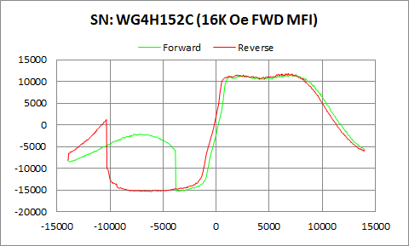

WG4H152C | Forward |  | Reverse
 | Ampl | Field | Ampl | Field
50% Roll-off Field | -1870.51 | 12329.49587 | -1766.76 | 11840.820065
P1 Switching Field | -2092.434 | -7200.798 | 1215.124 | -10350.21

Others | 0.61815522598 | 0.48472709673

